W3-4
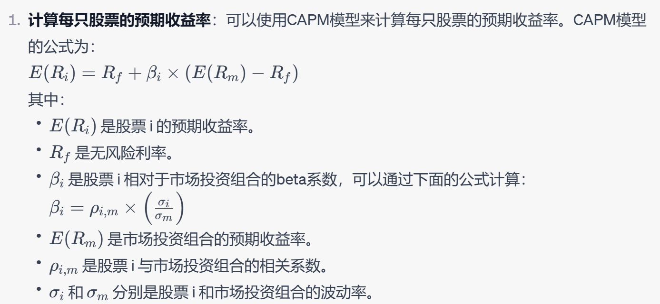
firm | protfolio weight | volatility | correlation with market portfolio | beta | E(R_i)
TT | 0.25 | 0.14 | 0.7 | 0.98 | 0.1184
WO | 0.35 | 0.18 | 0.6 | 1.08 | 0.1264
RM | 0.4 | 0.15 | 0.5 | 0.75 | 0.1

std mkt pf | 0.1
E(R_mkt) | 0.12
risk free rate | 0.04

E(R_p) | 0.11384
beta portfolio | 0.7938
E(R_p) | 0.103504

